Sheet1
 |  | Document No. | Issue No. | Issue Date |  | Review and Replace Date |  | Authorised By
 |  | GFF380MC | 1 | 24.11.2022 |  | New issue
 |  | Document Title | GC- 10 Onion Bhaji (1x10)1000g -High Risk
 |  |  |  |  |  |  |  | Magda Shah
Document amendments reason for change |  | New Issue | Page 1 of 1 |  | Previous Issue Date |  | New issue | Uncontrolled copy unless signed original

COBHL-B10T | Gazebo (BULK-SNACKS) |  | GC- 10 Onion Bhaji 1000g
STEP 1 |  |  |  |  | STEP 2
 |  |  |  |  | 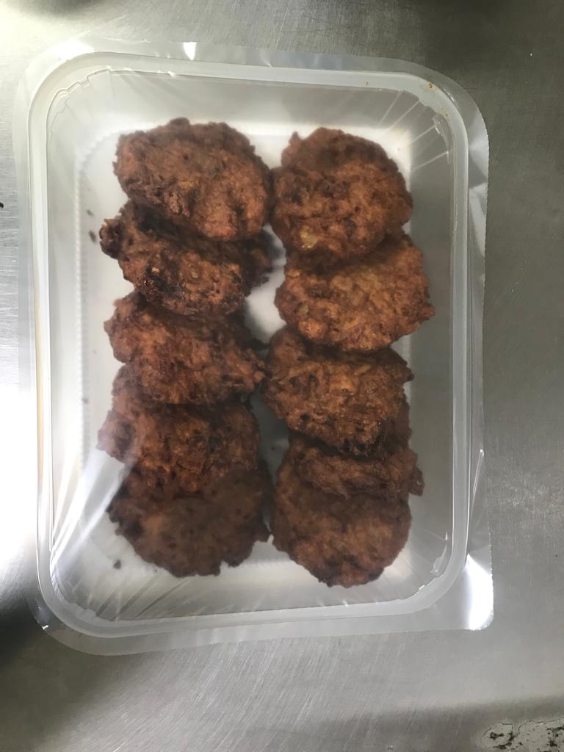

Tray: Transparent Tray 596-H320/60 -CLEAR (596)-PKNUT001-05 |  |  |  |  | Product-Onion Bhaji (GFF 121R)100g :10 Pieces
Film: PP340 AF 340mm X 500m AF Weld PP (PKPRO001-15)
STEP 3

TOTAL WEIGHT: 1000g

ALLERGY ALERT: None

